NS 1
OLORUNTELE INTEGRITY SCHOOLS [OIS]
 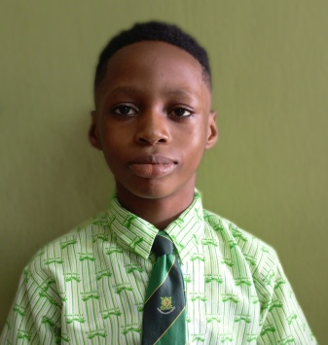

3, Adeniyi Dada Cresent, Mologede, Off Meiran Road,Ojokoro, Lagos
9,Dada Ebiye Street, Mologede, Off Meiran Road, Ojokoro, Lagos
TEL: 09153849418, 08023225483, 07060553068

SECOND TERM 2024/2025 ACADEMIC SESSION
MID - TERM ASSESSMENT REPORT SHEET

NAME OF STUDENT:
CLASS: | J S S 1 A
COGNITIVE DOMAIN
 | STUDENT'S SCORE | CLASS MAXIMUM
ENGLISH LANGUAGE | -
MATHEMATICS | -
NATIONAL VALUE EDUCATION [NVE] | -
CULTURAL CREATIVE ART [CCA] | -
BASIC SCIENCE & TECHNOLOGY [BST] | -
BUSINESS STUDIES | -
CHRISTIAN RELIGIOUS STUDIES [CRS] | -
FRENCH LANGUAGE | -
PRE-VOCATIONAL STUDIES [PVS] | -
YORUBA LANGUAGE | -
DICTION | -
HISTORY | -

SUBJECTS | W-TEST (5) | FIRST C.A (10) | PPP (5) | SECOND C.A (10) | STUDENT'S SCORE (30) | CLASS MAXIMUM SCORE
ENGLISH LANGUAGE |  |  |  |  | -
MATHEMATICS |  |  |  |  | -
NATIONAL VALUE EDUCATION [NVE] |  |  |  |  | -
CULTURAL CREATIVE ART [CCA] |  |  |  |  | -
BASIC SCIENCE & TECHNOLOGY [BST] |  |  |  |  | -
BUSINESS STUDIES |  |  |  |  | -
CHRISTIAN RELIGIOUS STUDIES [CRS] |  |  |  |  | -
FRENCH LANGUAGE |  |  |  |  | -
PRE-VOCATIONAL STUDIES [PVS] |  |  |  |  | -
YORUBA LANGUAGE |  |  |  |  | -
DICTION |  |  |  |  | -
HISTORY |  |  |  |  | -
MARKS OBTAINABLE: | MARKS OBTAINED: | - |  |  | PERCENTAGE: | 0.0%
PRINCIPAL'S COMMENT: | An average performance. You can do better
AUTHORISED SIGNATORY: |  | DATE/STAMP:

ANY ALTERATION TO THIS RESULT RENDERS IT INVALID.

NS 2
OLORUNTELE INTEGRITY SCHOOLS [OIS]
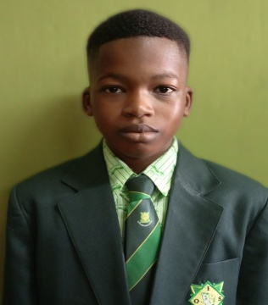

3, Adeniyi Dada Cresent, Mologede, Off Meiran Road,Ojokoro, Lagos
9,Dada Ebiye Street, Mologede, Off Meiran Road, Ojokoro, Lagos
TEL: 09153849418, 08023225483, 07060553068

SECOND TERM 2024/2025 ACADEMIC SESSION
MID - TERM ASSESSMENT REPORT SHEET

NAME OF STUDENT:
CLASS: | J S S 2 A
COGNITIVE DOMAIN
 | STUDENT'S SCORE | CLASS MAXIMUM
ENGLISH LANGUAGE | -
MATHEMATICS | -
NATIONAL VALUE EDUCATION [NVE] | -
CULTURAL CREATIVE ART [CCA] | -
BASIC SCIENCE & TECHNOLOGY [BST] | -
BUSINESS STUDIES | -
CHRISTIAN RELIGIOUS STUDIES [CRS] | -
FRENCH LANGUAGE | -
PRE-VOCATIONAL STUDIES [PVS] | -
YORUBA LANGUAGE | -
DICTION | -
HISTORY | -

SUBJECTS | W-TEST (5) | FIRST C.A (10) | PPP (5) | SECOND C.A (10) | STUDENT'S SCORE (30) | CLASS MAXIMUM SCORE
ENGLISH LANGUAGE |  |  |  |  | -
MATHEMATICS |  |  |  |  | -
NATIONAL VALUE EDUCATION [NVE] |  |  |  |  | -
CULTURAL CREATIVE ART [CCA] |  |  |  |  | -
BASIC SCIENCE & TECHNOLOGY [BST] |  |  |  |  | -
BUSINESS STUDIES |  |  |  |  | -
CHRISTIAN RELIGIOUS STUDIES [CRS] |  |  |  |  | -
FRENCH LANGUAGE |  |  |  |  | -
PRE-VOCATIONAL STUDIES [PVS] |  |  |  |  | -
YORUBA LANGUAGE |  |  |  |  | -
DICTION |  |  |  |  | -
HISTORY |  |  |  |  | -
MARKS OBTAINABLE: | MARKS OBTAINED: | - |  |  | PERCENTAGE: | 0.0%
PRINCIPAL'S COMMENT: | A weak performance. There is room for improvement.
AUTHORISED SIGNATORY: |  | DATE/STAMP:

ANY ALTERATION TO THIS RESULT RENDERS IT INVALID.

EKHAIYEME
OLORUNTELE INTEGRITY SCHOOLS [OIS]
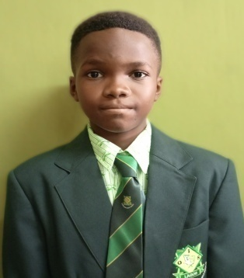

3, Adeniyi Dada Cresent, Mologede, Off Meiran Road,Ojokoro, Lagos
9,Dada Ebiye Street, Mologede, Off Meiran Road, Ojokoro, Lagos
TEL: 09153849418, 08023225483, 07060553068

SECOND TERM 2024/2025 ACADEMIC SESSION
MID - TERM ASSESSMENT REPORT SHEET

NAME OF STUDENT: | EKHAIYEME Augustine
CLASS: | J S S 2 A
COGNITIVE DOMAIN

SUBJECTS | W-TEST (5) | FIRST C.A (10) | PPP (5) | SECOND C.A (10) | STUDENT'S SCORE (30) | CLASS MAXIMUM SCORE
ENGLISH LANGUAGE | 2.0 | 2.0 | 5.0 | 7.0 | 16.0 | 30.0
MATHEMATICS | 5.0 | 5.0 | 5.0 | 6.0 | 21.0 | 29.0
NATIONAL VALUE EDUCATION [NVE] | 4.0 | 5.0 | 5.0 | 7.0 | 21.0 | 30.0
CULTURAL CREATIVE ART [CCA] | 5.0 | 6.0 | 5.0 | 8.0 | 24.0 | 29.5
BASIC SCIENCE & TECHNOLOGY [BST] | 3.0 | 6.0 | 5.0 | 9.0 | 23.0 | 30.0
BUSINESS STUDIES | 4.0 | 8.0 | 5.0 | 5.0 | 22.0 | 29.0
CHRISTIAN RELIGIOUS STUDIES [CRS] | 4.5 | 6.0 | 5.0 | 6.0 | 21.5 | 29.0
FRENCH LANGUAGE | 5.0 | 7.0 | 5.0 | 7.0 | 24.0 | 30.0
PRE-VOCATIONAL STUDIES [PVS] | 3.5 | 8.0 | 5.0 | 8.0 | 24.5 | 30.0
YORUBA LANGUAGE | 6.0 | 8.8 | 5.0 | 6.0 | 25.8 | 30.0
DICTION | 5.0 | 7.0 | 5.0 | 7.0 | 24.0 | 29.0
HISTORY | 6.0 | 4.0 | 5.0 | 8.0 | 23.0 | 30.0
MARKS OBTAINABLE: | MARKS OBTAINED: | 269.8 |  |  | PERCENTAGE: | 74.9%
PRINCIPAL'S COMMENT: | A very good performance. Put more effort.
AUTHORISED SIGNATORY: |  | DATE/STAMP:

ANY ALTERATION TO THIS RESULT RENDERS IT INVALID.

IBRAHIM
OLORUNTELE INTEGRITY SCHOOLS [OIS]


3, Adeniyi Dada Cresent, Mologede, Off Meiran Road,Ojokoro, Lagos
9,Dada Ebiye Street, Mologede, Off Meiran Road, Ojokoro, Lagos
TEL: 09153849418, 08023225483, 07060553068

SECOND TERM 2024/2025 ACADEMIC SESSION
MID - TERM ASSESSMENT REPORT SHEET

NAME OF STUDENT: | IBRAHIM Stephen
CLASS: | J S S 2 A
COGNITIVE DOMAIN

SUBJECTS | W-TEST (5) | FIRST C.A (10) | PPP (5) | SECOND C.A (10) | STUDENT'S SCORE (30) | CLASS MAXIMUM SCORE
ENGLISH LANGUAGE | 4.0 | 7.0 | 5.0 | 5.0 | 21.0 | 30.0
MATHEMATICS | 3.0 | 5.0 | 5.0 | 7.0 | 20.0 | 29.0
NATIONAL VALUE EDUCATION [NVE] | 2.0 | 8.0 | 5.0 | 6.0 | 21.0 | 30.0
CULTURAL CREATIVE ART [CCA] | 3.5 | 7.0 | 5.0 | 4.0 | 19.5 | 29.5
BASIC SCIENCE & TECHNOLOGY [BST] | 4.0 | 7.0 | 5.0 | 7.0 | 23.0 | 30.0
BUSINESS STUDIES | 5.0 | 3.0 | 5.0 | 6.0 | 19.0 | 29.0
CHRISTIAN RELIGIOUS STUDIES [CRS] | 2.0 | 5.0 | 5.0 | 10.0 | 22.0 | 29.0
FRENCH LANGUAGE | 1.0 | 4.0 | 5.0 | 9.0 | 19.0 | 30.0
PRE-VOCATIONAL STUDIES [PVS] | 4.0 | 7.0 | 5.0 | 8.0 | 24.0 | 30.0
YORUBA LANGUAGE | 2.0 | 6.0 | 5.0 | 7.0 | 20.0 | 30.0
DICTION | 4.0 | 8.0 | 5.0 | 6.8 | 23.8 | 29.0
HISTORY | 3.0 | 6.0 | 5.0 | 6.7 | 20.7 | 30.0
MARKS OBTAINABLE: | MARKS OBTAINED: | 253.0 |  |  | PERCENTAGE: | 70.3%
PRINCIPAL'S COMMENT: | A very good performance. Put more effort.
AUTHORISED SIGNATORY: |  | DATE/STAMP:

ANY ALTERATION TO THIS RESULT RENDERS IT INVALID.

OGUNADE
OLORUNTELE INTEGRITY SCHOOLS [OIS]
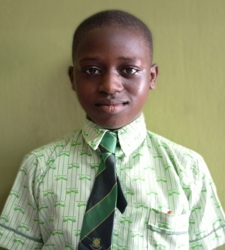

3, Adeniyi Dada Cresent, Mologede, Off Meiran Road,Ojokoro, Lagos
9,Dada Ebiye Street, Mologede, Off Meiran Road, Ojokoro, Lagos
TEL: 09153849418, 08023225483, 07060553068

SECOND TERM 2024/2025 ACADEMIC SESSION
MID - TERM ASSESSMENT REPORT SHEET

NAME OF STUDENT: | OGUNADE Oluwadarasimi
CLASS: | J S S 2 A
COGNITIVE DOMAIN

SUBJECTS | W-TEST (5) | FIRST C.A (10) | PPP (5) | SECOND C.A (10) | STUDENT'S SCORE (30) | CLASS MAXIMUM SCORE
ENGLISH LANGUAGE | 3.0 | 7.0 | 5.0 | 6.0 | 21.0 | 30.0
MATHEMATICS | 3.0 | 7.0 | 5.0 | 9.0 | 24.0 | 29.0
NATIONAL VALUE EDUCATION [NVE] | 4.0 | 8.0 | 5.0 | 6.0 | 23.0 | 30.0
CULTURAL CREATIVE ART [CCA] | 3.0 | 5.0 | 5.0 | 8.0 | 21.0 | 29.5
BASIC SCIENCE & TECHNOLOGY [BST] | 1.0 | 4.0 | 5.0 | 7.0 | 17.0 | 30.0
BUSINESS STUDIES | 4.0 | 6.0 | 5.0 | 8.5 | 23.5 | 29.0
CHRISTIAN RELIGIOUS STUDIES [CRS] | 3.0 | 3.0 | 5.0 | 5.5 | 16.5 | 29.0
FRENCH LANGUAGE | 4.0 | 2.0 | 5.0 | 9.0 | 20.0 | 30.0
PRE-VOCATIONAL STUDIES [PVS] | 1.0 | 4.0 | 5.0 | 6.0 | 16.0 | 30.0
YORUBA LANGUAGE | 2.0 | 6.0 | 5.0 | 8.0 | 21.0 | 30.0
DICTION | 2.0 | 6.0 | 5.0 | 7.0 | 20.0 | 29.0
HISTORY | 2.0 | 4.0 | 5.0 | 7.0 | 18.0 | 30.0
MARKS OBTAINABLE: | MARKS OBTAINED: | 241.0 |  |  | PERCENTAGE: | 66.9%
PRINCIPAL'S COMMENT: | A very good performance. Put more effort.
AUTHORISED SIGNATORY: |  | DATE/STAMP:

ANY ALTERATION TO THIS RESULT RENDERS IT INVALID.

OGUNTEGBE
OLORUNTELE INTEGRITY SCHOOLS [OIS]
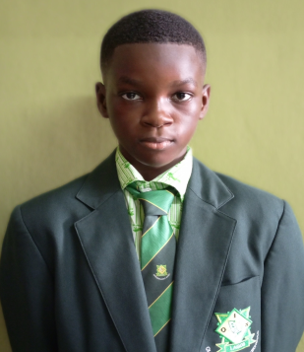

3, Adeniyi Dada Cresent, Mologede, Off Meiran Road,Ojokoro, Lagos
9,Dada Ebiye Street, Mologede, Off Meiran Road, Ojokoro, Lagos
TEL: 09153849418, 08023225483, 07060553068

SECOND TERM 2024/2025 ACADEMIC SESSION
MID - TERM ASSESSMENT REPORT SHEET

NAME OF STUDENT: | OGUNTEGBE Oyinkansade
CLASS: | J S S 2 A
COGNITIVE DOMAIN

SUBJECTS | W-TEST (5) | FIRST C.A (10) | PPP (5) | SECOND C.A (10) | STUDENT'S SCORE (30) | CLASS MAXIMUM SCORE
ENGLISH LANGUAGE | 3.0 | 6.0 | 5.0 | 5.0 | 19.0 | 30.0
MATHEMATICS | 5.0 | 6.0 | 5.0 | 6.0 | 22.0 | 29.0
NATIONAL VALUE EDUCATION [NVE] | 5.0 | 5.0 | 5.0 | 6.0 | 21.0 | 30.0
CULTURAL CREATIVE ART [CCA] | 3.0 | 6.0 | 5.0 | 7.0 | 21.0 | 29.5
BASIC SCIENCE & TECHNOLOGY [BST] | 3.0 | 7.0 | 5.0 | 4.0 | 19.0 | 30.0
BUSINESS STUDIES | 4.0 | 8.0 | 5.0 | 5.0 | 22.0 | 29.0
CHRISTIAN RELIGIOUS STUDIES [CRS] | 2.0 | 7.0 | 5.0 | 6.0 | 20.0 | 29.0
FRENCH LANGUAGE | 3.0 | 8.0 | 5.0 | 7.0 | 23.0 | 30.0
PRE-VOCATIONAL STUDIES [PVS] | 1.0 | 7.0 | 5.0 | 4.0 | 17.0 | 30.0
YORUBA LANGUAGE | 2.0 | 6.0 | 5.0 | 6.0 | 19.0 | 30.0
DICTION | 1.0 | 7.0 | 5.0 | 5.0 | 18.0 | 29.0
HISTORY | 2.0 | 6.0 | 5.0 | 6.0 | 19.0 | 30.0
MARKS OBTAINABLE: | MARKS OBTAINED: | 240.0 |  |  | PERCENTAGE: | 66.7%
PRINCIPAL'S COMMENT: | A very good performance. Put more effort.
AUTHORISED SIGNATORY: |  | DATE/STAMP:

ANY ALTERATION TO THIS RESULT RENDERS IT INVALID.

OJO
OLORUNTELE INTEGRITY SCHOOLS [OIS]

3, Adeniyi Dada Cresent, Mologede, Off Meiran Road,Ojokoro, Lagos
9,Dada Ebiye Street, Mologede, Off Meiran Road, Ojokoro, Lagos
TEL: 09153849418, 08023225483, 07060553068

SECOND TERM 2024/2025 ACADEMIC SESSION
MID - TERM ASSESSMENT REPORT SHEET

NAME OF STUDENT: | OJO Isreal
CLASS: | J S S 2 A
COGNITIVE DOMAIN

SUBJECTS | W-TEST (5) | FIRST C.A (10) | PPP (5) | SECOND C.A (10) | STUDENT'S SCORE (30) | CLASS MAXIMUM SCORE
ENGLISH LANGUAGE | 2.0 | 7.0 | 5.0 | 7.0 | 21.0 | 30.0
MATHEMATICS | 2.0 | 6.0 | 5.0 | 6.0 | 19.0 | 29.0
NATIONAL VALUE EDUCATION [NVE] | 3.0 | 5.0 | 5.0 | 7.0 | 20.0 | 30.0
CULTURAL CREATIVE ART [CCA] | 2.0 | 4.0 | 5.0 | 6.0 | 17.0 | 29.5
BASIC SCIENCE & TECHNOLOGY [BST] | 3.0 | 3.0 | 5.0 | 7.0 | 18.0 | 30.0
BUSINESS STUDIES | 2.0 | 3.0 | 5.0 | 6.0 | 16.0 | 29.0
CHRISTIAN RELIGIOUS STUDIES [CRS] | 4.0 | 6.0 | 5.0 | 6.0 | 21.0 | 29.0
FRENCH LANGUAGE | 2.0 | 3.0 | 5.0 | 6.0 | 16.0 | 30.0
PRE-VOCATIONAL STUDIES [PVS] | 2.0 | 3.0 | 5.0 | 7.0 | 17.0 | 30.0
YORUBA LANGUAGE | 3.0 | 6.0 | 5.0 | 8.0 | 22.0 | 30.0
DICTION | 2.0 | 2.0 | 5.0 | 9.0 | 18.0 | 29.0
HISTORY | 5.0 | 6.0 | 5.0 | 9.7 | 25.7 | 30.0
MARKS OBTAINABLE: | MARKS OBTAINED: | 230.7 |  |  | PERCENTAGE: | 64.1%
PRINCIPAL'S COMMENT: | A good performance. You can do better.
AUTHORISED SIGNATORY: |  | DATE/STAMP:

ANY ALTERATION TO THIS RESULT RENDERS IT INVALID.

NS 3
OLORUNTELE INTEGRITY SCHOOLS [OIS]
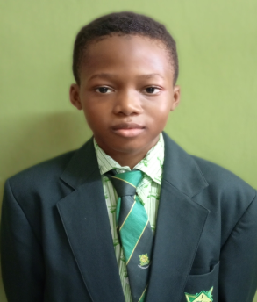

3, Adeniyi Dada Cresent, Mologede, Off Meiran Road,Ojokoro, Lagos
9,Dada Ebiye Street, Mologede, Off Meiran Road, Ojokoro, Lagos
TEL: 09153849418, 08023225483, 07060553068

SECOND TERM 2024/2025 ACADEMIC SESSION
MID - TERM ASSESSMENT REPORT SHEET

NAME OF STUDENT:
CLASS: | J S S 2 A
COGNITIVE DOMAIN
 | STUDENT'S SCORE | CLASS MAXIMUM
ENGLISH LANGUAGE | -
MATHEMATICS | -
NATIONAL VALUE EDUCATION [NVE] | -
CULTURAL CREATIVE ART [CCA] | -
BASIC SCIENCE & TECHNOLOGY [BST] | -
BUSINESS STUDIES | -
CHRISTIAN RELIGIOUS STUDIES [CRS] | -
FRENCH LANGUAGE | -
PRE-VOCATIONAL STUDIES [PVS] | -
YORUBA LANGUAGE | -
DICTION | -
HISTORY | -

SUBJECTS | W-TEST (5) | FIRST C.A (10) | PPP (5) | SECOND C.A (10) | STUDENT'S SCORE (30) | CLASS MAXIMUM SCORE
ENGLISH LANGUAGE |  |  |  |  | -
MATHEMATICS |  |  |  |  | -
NATIONAL VALUE EDUCATION [NVE] |  |  |  |  | -
CULTURAL CREATIVE ART [CCA] |  |  |  |  | -
BASIC SCIENCE & TECHNOLOGY [BST] |  |  |  |  | -
BUSINESS STUDIES |  |  |  |  | -
CHRISTIAN RELIGIOUS STUDIES [CRS] |  |  |  |  | -
FRENCH LANGUAGE |  |  |  |  | -
PRE-VOCATIONAL STUDIES [PVS] |  |  |  |  | -
YORUBA LANGUAGE |  |  |  |  | -
DICTION |  |  |  |  | -
HISTORY |  |  |  |  | -
MARKS OBTAINABLE: | MARKS OBTAINED: | - |  |  | PERCENTAGE: | 0.0%
PRINCIPAL'S COMMENT: | A weak performance. There is room for improvement.
AUTHORISED SIGNATORY: |  | DATE/STAMP:

ANY ALTERATION TO THIS RESULT RENDERS IT INVALID.

OLUWOLE-DEJI
OLORUNTELE INTEGRITY SCHOOLS [OIS]
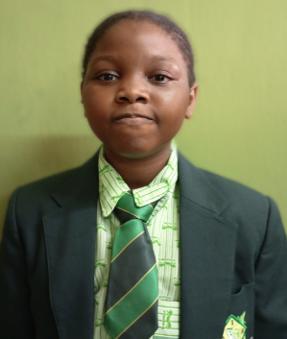

3, Adeniyi Dada Cresent, Mologede, Off Meiran Road,Ojokoro, Lagos
9,Dada Ebiye Street, Mologede, Off Meiran Road, Ojokoro, Lagos
TEL: 09153849418, 08023225483, 07060553068

SECOND TERM 2024/2025 ACADEMIC SESSION
MID - TERM ASSESSMENT REPORT SHEET

NAME OF STUDENT: | OLUWOLE-DEJI Joy
CLASS: | J S S 2 A
COGNITIVE DOMAIN

SUBJECTS | W-TEST (5) | FIRST C.A (10) | PPP (5) | SECOND C.A (10) | STUDENT'S SCORE (30) | CLASS MAXIMUM SCORE
ENGLISH LANGUAGE | 5.0 | 8.0 | 5.0 | 10.0 | 28.0 | 30.0
MATHEMATICS | 4.5 | 8.0 | 5.0 | 9.0 | 26.5 | 29.0
NATIONAL VALUE EDUCATION [NVE] | 5.0 | 9.0 | 5.0 | 8.9 | 27.9 | 30.0
CULTURAL CREATIVE ART [CCA] | 4.5 | 10.0 | 5.0 | 8.9 | 28.4 | 29.5
BASIC SCIENCE & TECHNOLOGY [BST] | 5.0 | 9.7 | 5.0 | 8.0 | 27.7 | 30.0
BUSINESS STUDIES | 4.0 | 10.0 | 5.0 | 8.9 | 27.9 | 29.0
CHRISTIAN RELIGIOUS STUDIES [CRS] | 5.0 | 10.0 | 5.0 | 9.0 | 29.0 | 29.0
FRENCH LANGUAGE | 5.0 | 10.0 | 5.0 | 10.0 | 30.0 | 30.0
PRE-VOCATIONAL STUDIES [PVS] | 5.0 | 10.0 | 5.0 | 10.0 | 30.0 | 30.0
YORUBA LANGUAGE | 5.0 | 9.0 | 5.0 | 10.0 | 29.0 | 30.0
DICTION | 5.0 | 9.0 | 5.0 | 9.0 | 28.0 | 29.0
HISTORY | 5.0 | 10.0 | 5.0 | 9.0 | 29.0 | 30.0
MARKS OBTAINABLE: | MARKS OBTAINED: | 341.4 |  |  | PERCENTAGE: | 94.8%
PRINCIPAL'S COMMENT: | An excellent performance. Keep it up.
AUTHORISED SIGNATORY: |  | DATE/STAMP:

ANY ALTERATION TO THIS RESULT RENDERS IT INVALID.

ONAH
OLORUNTELE INTEGRITY SCHOOLS [OIS]
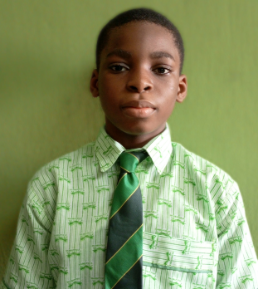

3, Adeniyi Dada Cresent, Mologede, Off Meiran Road,Ojokoro, Lagos
9,Dada Ebiye Street, Mologede, Off Meiran Road, Ojokoro, Lagos
TEL: 09153849418, 08023225483, 07060553068

SECOND TERM 2024/2025 ACADEMIC SESSION
MID - TERM ASSESSMENT REPORT SHEET

NAME OF STUDENT: | ONAH Ifeanyi
CLASS: | J S S 2 A
COGNITIVE DOMAIN

SUBJECTS | W-TEST (5) | FIRST C.A (10) | PPP (5) | SECOND C.A (10) | STUDENT'S SCORE (30) | CLASS MAXIMUM SCORE
ENGLISH LANGUAGE | 5.0 | 4.0 | 5.0 | 4.0 | 18.0 | 30.0
MATHEMATICS | 5.0 | 3.0 | 5.0 | 5.0 | 18.0 | 29.0
NATIONAL VALUE EDUCATION [NVE] | 5.0 | 4.0 | 5.0 | 5.0 | 19.0 | 30.0
CULTURAL CREATIVE ART [CCA] | 4.0 | 3.0 | 5.0 | 5.0 | 17.0 | 29.5
BASIC SCIENCE & TECHNOLOGY [BST] | 5.0 | 4.0 | 5.0 | 5.0 | 19.0 | 30.0
BUSINESS STUDIES | 3.0 | 3.0 | 5.0 | 5.0 | 16.0 | 29.0
CHRISTIAN RELIGIOUS STUDIES [CRS] | 5.0 | 4.0 | 5.0 | 5.0 | 19.0 | 29.0
FRENCH LANGUAGE | 3.0 | 3.0 | 5.0 | 5.0 | 16.0 | 30.0
PRE-VOCATIONAL STUDIES [PVS] | 4.0 | 4.0 | 5.0 | 5.0 | 18.0 | 30.0
YORUBA LANGUAGE | 4.0 | 3.0 | 5.0 | 5.0 | 17.0 | 30.0
DICTION | 5.0 | 5.0 | 5.0 | 5.0 | 20.0 | 29.0
HISTORY | 4.0 | 4.0 | 5.0 | 5.0 | 18.0 | 30.0
MARKS OBTAINABLE: | MARKS OBTAINED: | 215.0 |  |  | PERCENTAGE: | 59.7%
PRINCIPAL'S COMMENT: | An average performance. You can do better
AUTHORISED SIGNATORY: |  | DATE/STAMP:

ANY ALTERATION TO THIS RESULT RENDERS IT INVALID.

ONYECHEFULE
OLORUNTELE INTEGRITY SCHOOLS [OIS]
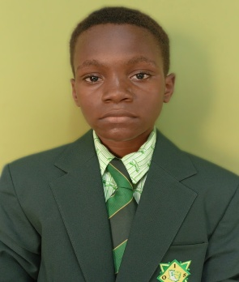

3, Adeniyi Dada Cresent, Mologede, Off Meiran Road,Ojokoro, Lagos
9,Dada Ebiye Street, Mologede, Off Meiran Road, Ojokoro, Lagos
TEL: 09153849418, 08023225483, 07060553068

SECOND TERM 2024/2025 ACADEMIC SESSION
MID - TERM ASSESSMENT REPORT SHEET

NAME OF STUDENT: | ONYECHEFULE Apostle
CLASS: | J S S 2 A
COGNITIVE DOMAIN
ENGLISH LANGUAGE | -
MATHEMATICS | -
NATIONAL VALUE EDUCATION [NVE] | -
CULTURAL CREATIVE ART [CCA] | -
BASIC SCIENCE & TECHNOLOGY [BST] | -
BUSINESS STUDIES | -
CHRISTIAN RELIGIOUS STUDIES [CRS] | -
FRENCH LANGUAGE | -
PRE-VOCATIONAL STUDIES [PVS] | -
YORUBA LANGUAGE | -
DICTION | -
HISTORY | -

SUBJECTS | W-TEST (5) | FIRST C.A (10) | PPP (5) | SECOND C.A (10) | STUDENT'S SCORE (30) | CLASS MAXIMUM SCORE
ENGLISH LANGUAGE |  |  |  |  | -
MATHEMATICS |  |  |  |  | -
NATIONAL VALUE EDUCATION [NVE] |  |  |  |  | -
CULTURAL CREATIVE ART [CCA] |  |  |  |  | -
BASIC SCIENCE & TECHNOLOGY [BST] |  |  |  |  | -
BUSINESS STUDIES |  |  |  |  | -
CHRISTIAN RELIGIOUS STUDIES [CRS] |  |  |  |  | -
FRENCH LANGUAGE |  |  |  |  | -
PRE-VOCATIONAL STUDIES [PVS] |  |  |  |  | -
YORUBA LANGUAGE |  |  |  |  | -
DICTION |  |  |  |  | -
HISTORY |  |  |  |  | -
MARKS OBTAINABLE: | MARKS OBTAINED: | - |  |  | PERCENTAGE: | 0.0%
PRINCIPAL'S COMMENT: | A weak performance. There is room for improvement.
AUTHORISED SIGNATORY: |  | DATE/STAMP:

ANY ALTERATION TO THIS RESULT RENDERS IT INVALID.

OWOSHO
OLORUNTELE INTEGRITY SCHOOLS [OIS]
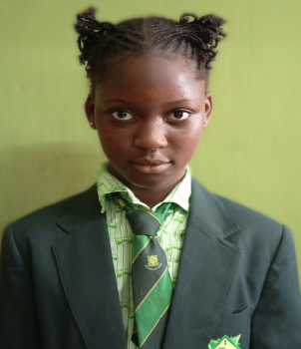

3, Adeniyi Dada Cresent, Mologede, Off Meiran Road,Ojokoro, Lagos
9,Dada Ebiye Street, Mologede, Off Meiran Road, Ojokoro, Lagos

TEL: 09153849418, 08023225483, 07060553068
SECOND TERM 2024/2025 ACADEMIC SESSION
MID - TERM ASSESSMENT REPORT SHEET

NAME OF STUDENT: | OWOSHO Faridat
CLASS: | J S S 2 A
COGNITIVE DOMAIN
 | STUDENT'S SCORE | CLASS MAXIMUM
ENGLISH LANGUAGE | -
MATHEMATICS | -
NATIONAL VALUE EDUCATION [NVE] | -
CULTURAL CREATIVE ART [CCA] | -
BASIC SCIENCE & TECHNOLOGY [BST] | -
BUSINESS STUDIES | -
CHRISTIAN RELIGIOUS STUDIES [CRS] | -
FRENCH LANGUAGE | -
PRE-VOCATIONAL STUDIES [PVS] | -
YORUBA LANGUAGE | -
DICTION | -
HISTORY | -

SUBJECTS | W-TEST (5) | FIRST C.A (10) | PPP (5) | SECOND C.A (10) | STUDENT'S SCORE (30) | CLASS MAXIMUM SCORE
ENGLISH LANGUAGE |  |  |  |  | -
MATHEMATICS |  |  |  |  | -
NATIONAL VALUE EDUCATION [NVE] |  |  |  |  | -
CULTURAL CREATIVE ART [CCA] |  |  |  |  | -
BASIC SCIENCE & TECHNOLOGY [BST] |  |  |  |  | -
BUSINESS STUDIES |  |  |  |  | -
CHRISTIAN RELIGIOUS STUDIES [CRS] |  |  |  |  | -
FRENCH LANGUAGE |  |  |  |  | -
PRE-VOCATIONAL STUDIES [PVS] |  |  |  |  | -
YORUBA LANGUAGE |  |  |  |  | -
DICTION |  |  |  |  | -
HISTORY |  |  |  |  | -
MARKS OBTAINABLE: | MARKS OBTAINED: | - |  |  | PERCENTAGE: | 0.0%
PRINCIPAL'S COMMENT: | A weak performance. There is room for improvement.
AUTHORISED SIGNATORY: |  | DATE/STAMP:

ANY ALTERATION TO THIS RESULT RENDERS IT INVALID.

RAHAMON
OLORUNTELE INTEGRITY SCHOOLS [OIS]
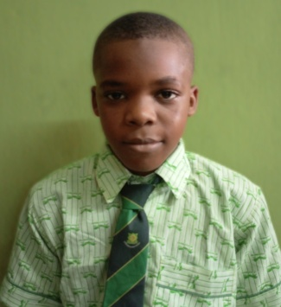

3, Adeniyi Dada Cresent, Mologede, Off Meiran Road,Ojokoro, Lagos
9,Dada Ebiye Street, Mologede, Off Meiran Road, Ojokoro, Lagos
TEL: 09153849418, 08023225483, 07060553068

SECOND TERM 2024/2025 ACADEMIC SESSION
MID - TERM ASSESSMENT REPORT SHEET

NAME OF STUDENT: | RAHAMON Faezz
CLASS: | J S S 2 A
COGNITIVE DOMAIN
 | STUDENT'S SCORE | CLASS MAXIMUM
ENGLISH LANGUAGE | -
MATHEMATICS | -
NATIONAL VALUE EDUCATION [NVE] | -
CULTURAL CREATIVE ART [CCA] | -
BASIC SCIENCE & TECHNOLOGY [BST] | -
BUSINESS STUDIES | -
CHRISTIAN RELIGIOUS STUDIES [CRS] | -
FRENCH LANGUAGE | -
PRE-VOCATIONAL STUDIES [PVS] | -
YORUBA LANGUAGE | -
DICTION | -
HISTORY | -

SUBJECTS | W-TEST (5) | FIRST C.A (10) | PPP (5) | SECOND C.A (10) | STUDENT'S SCORE (30) | CLASS MAXIMUM SCORE
ENGLISH LANGUAGE |  |  |  |  | -
MATHEMATICS |  |  |  |  | -
NATIONAL VALUE EDUCATION [NVE] |  |  |  |  | -
CULTURAL CREATIVE ART [CCA] |  |  |  |  | -
BASIC SCIENCE & TECHNOLOGY [BST] |  |  |  |  | -
BUSINESS STUDIES |  |  |  |  | -
CHRISTIAN RELIGIOUS STUDIES [CRS] |  |  |  |  | -
FRENCH LANGUAGE |  |  |  |  | -
PRE-VOCATIONAL STUDIES [PVS] |  |  |  |  | -
YORUBA LANGUAGE |  |  |  |  | -
DICTION |  |  |  |  | -
HISTORY |  |  |  |  | -
MARKS OBTAINABLE: | MARKS OBTAINED: | - |  |  | PERCENTAGE: | 0.0%
PRINCIPAL'S COMMENT: | A weak performance. There is room for improvement.
AUTHORISED SIGNATORY: |  | DATE/STAMP:

ANY ALTERATION TO THIS RESULT RENDERS IT INVALID.

SHITTU
OLORUNTELE INTEGRITY SCHOOLS [OIS]
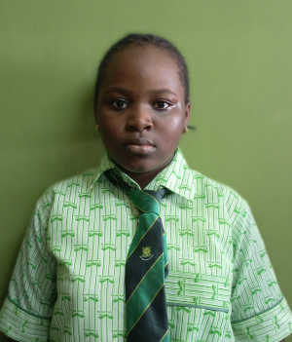

3, Adeniyi Dada Cresent, Mologede, Off Meiran Road,Ojokoro, Lagos
9,Dada Ebiye Street, Mologede, Off Meiran Road, Ojokoro, Lagos
TEL: 09153849418, 08023225483, 07060553068

SECOND TERM 2024/2025 ACADEMIC SESSION
MID - TERM ASSESSMENT REPORT SHEET

NAME OF STUDENT: | SHITTU Aminat
CLASS: | J S S 2 A
COGNITIVE DOMAIN
 | STUDENT'S SCORE | CLASS MAXIMUM
ENGLISH LANGUAGE | -
MATHEMATICS | -
NATIONAL VALUE EDUCATION [NVE] | -
CULTURAL CREATIVE ART [CCA] | -
BASIC SCIENCE & TECHNOLOGY [BST] | -
BUSINESS STUDIES | -
CHRISTIAN RELIGIOUS STUDIES [CRS] | -
FRENCH LANGUAGE | -
PRE-VOCATIONAL STUDIES [PVS] | -
YORUBA LANGUAGE | -
DICTION | -
HISTORY | -

SUBJECTS | W-TEST (5) | FIRST C.A (10) | PPP (5) | SECOND C.A (10) | STUDENT'S SCORE (30) | CLASS MAXIMUM SCORE
ENGLISH LANGUAGE |  |  |  |  | -
MATHEMATICS |  |  |  |  | -
NATIONAL VALUE EDUCATION [NVE] |  |  |  |  | -
CULTURAL CREATIVE ART [CCA] |  |  |  |  | -
BASIC SCIENCE & TECHNOLOGY [BST] |  |  |  |  | -
BUSINESS STUDIES |  |  |  |  | -
CHRISTIAN RELIGIOUS STUDIES [CRS] |  |  |  |  | -
FRENCH LANGUAGE |  |  |  |  | -
PRE-VOCATIONAL STUDIES [PVS] |  |  |  |  | -
YORUBA LANGUAGE |  |  |  |  | -
DICTION |  |  |  |  | -
HISTORY |  |  |  |  | -
MARKS OBTAINABLE: | MARKS OBTAINED: | - |  |  | PERCENTAGE: | 0.0%
PRINCIPAL'S COMMENT: | A weak performance. There is room for improvement.
AUTHORISED SIGNATORY: |  | DATE/STAMP:

ANY ALTERATION TO THIS RESULT RENDERS IT INVALID.

SHODEINDE
OLORUNTELE INTEGRITY SCHOOLS [OIS]
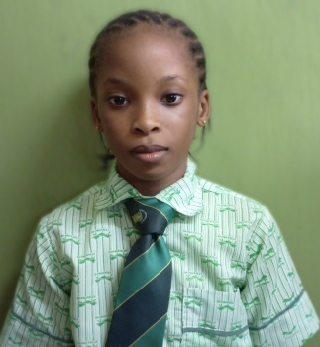

3, Adeniyi Dada Cresent, Mologede, Off Meiran Road,Ojokoro, Lagos
9,Dada Ebiye Street, Mologede, Off Meiran Road, Ojokoro, Lagos
TEL: 09153849418, 08023225483, 07060553068

SECOND TERM 2024/2025 ACADEMIC SESSION
MID - TERM ASSESSMENT REPORT SHEET

NAME OF STUDENT: | SHODEINDE Oluwadarasimi
CLASS: | J S S 2 A
COGNITIVE DOMAIN
 | STUDENT'S SCORE | CLASS MAXIMUM
ENGLISH LANGUAGE | -
MATHEMATICS | -
NATIONAL VALUE EDUCATION [NVE] | -
CULTURAL CREATIVE ART [CCA] | -
BASIC SCIENCE & TECHNOLOGY [BST] | -
BUSINESS STUDIES | -
CHRISTIAN RELIGIOUS STUDIES [CRS] | -
FRENCH LANGUAGE | -
PRE-VOCATIONAL STUDIES [PVS] | -
YORUBA LANGUAGE | -
DICTION | -
HISTORY | -

SUBJECTS | W-TEST (5) | FIRST C.A (10) | PPP (5) | SECOND C.A (10) | STUDENT'S SCORE (30) | CLASS MAXIMUM SCORE
ENGLISH LANGUAGE |  |  |  |  | -
MATHEMATICS |  |  |  |  | -
NATIONAL VALUE EDUCATION [NVE] |  |  |  |  | -
CULTURAL CREATIVE ART [CCA] |  |  |  |  | -
BASIC SCIENCE & TECHNOLOGY [BST] |  |  |  |  | -
BUSINESS STUDIES |  |  |  |  | -
CHRISTIAN RELIGIOUS STUDIES [CRS] |  |  |  |  | -
FRENCH LANGUAGE |  |  |  |  | -
PRE-VOCATIONAL STUDIES [PVS] |  |  |  |  | -
YORUBA LANGUAGE |  |  |  |  | -
DICTION |  |  |  |  | -
HISTORY |  |  |  |  | -
MARKS OBTAINABLE: | MARKS OBTAINED: | - |  |  | PERCENTAGE: | 0.0%
PRINCIPAL'S COMMENT: | A weak performance. There is room for improvement.
AUTHORISED SIGNATORY: |  | DATE/STAMP:

ANY ALTERATION TO THIS RESULT RENDERS IT INVALID.

SULEIMAN
OLORUNTELE INTEGRITY SCHOOLS [OIS]
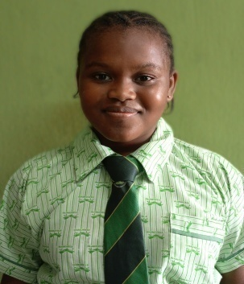

3, Adeniyi Dada Cresent, Mologede, Off Meiran Road,Ojokoro, Lagos
9,Dada Ebiye Street, Mologede, Off Meiran Road, Ojokoro, Lagos
TEL: 09153849418, 08023225483, 07060553068

SECOND TERM 2024/2025 ACADEMIC SESSION
MID - TERM ASSESSMENT REPORT SHEET

NAME OF STUDENT: | SULEIMAN Fadilat
CLASS: | J S S 2 A
COGNITIVE DOMAIN
 | STUDENT'S SCORE | CLASS MAXIMUM
ENGLISH LANGUAGE | -
MATHEMATICS | -
NATIONAL VALUE EDUCATION [NVE] | -
CULTURAL CREATIVE ART [CCA] | -
BASIC SCIENCE & TECHNOLOGY [BST] | -
BUSINESS STUDIES | -
CHRISTIAN RELIGIOUS STUDIES [CRS] | -
FRENCH LANGUAGE | -
PRE-VOCATIONAL STUDIES [PVS] | -
YORUBA LANGUAGE | -
DICTION | -
HISTORY | -

SUBJECTS | W-TEST (5) | FIRST C.A (10) | PPP (5) | SECOND C.A (10) | STUDENT'S SCORE (30) | CLASS MAXIMUM SCORE
ENGLISH LANGUAGE |  |  |  |  | -
MATHEMATICS |  |  |  |  | -
NATIONAL VALUE EDUCATION [NVE] |  |  |  |  | -
CULTURAL CREATIVE ART [CCA] |  |  |  |  | -
BASIC SCIENCE & TECHNOLOGY [BST] |  |  |  |  | -
BUSINESS STUDIES |  |  |  |  | -
CHRISTIAN RELIGIOUS STUDIES [CRS] |  |  |  |  | -
FRENCH LANGUAGE |  |  |  |  | -
PRE-VOCATIONAL STUDIES [PVS] |  |  |  |  | -
YORUBA LANGUAGE |  |  |  |  | -
DICTION |  |  |  |  | -
HISTORY |  |  |  |  | -
MARKS OBTAINABLE: | MARKS OBTAINED: | - |  |  | PERCENTAGE: | 0.0%
PRINCIPAL'S COMMENT: | A weak performance. There is room for improvement.
AUTHORISED SIGNATORY: |  | DATE/STAMP:

ANY ALTERATION TO THIS RESULT RENDERS IT INVALID.

TIAMIYU
OLORUNTELE INTEGRITY SCHOOLS [OIS]
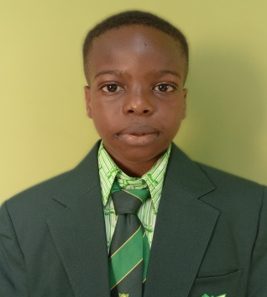

3, Adeniyi Dada Cresent, Mologede, Off Meiran Road,Ojokoro, Lagos
9,Dada Ebiye Street, Mologede, Off Meiran Road, Ojokoro, Lagos
TEL: 09153849418, 08023225483, 07060553068

SECOND TERM 2024/2025 ACADEMIC SESSION
MID - TERM ASSESSMENT REPORT SHEET

NAME OF STUDENT: | TIAMIYU Firefunmi
CLASS: | J S S 2 A
COGNITIVE DOMAIN
 | STUDENT'S SCORE | CLASS MAXIMUM
ENGLISH LANGUAGE | -
MATHEMATICS | -
NATIONAL VALUE EDUCATION [NVE] | -
CULTURAL CREATIVE ART [CCA] | -
BASIC SCIENCE & TECHNOLOGY [BST] | -
BUSINESS STUDIES | -
CHRISTIAN RELIGIOUS STUDIES [CRS] | -
FRENCH LANGUAGE | -
PRE-VOCATIONAL STUDIES [PVS] | -
YORUBA LANGUAGE | -
DICTION | -
HISTORY | -

SUBJECTS | W-TEST (5) | FIRST C.A (10) | PPP (5) | SECOND C.A (10) | STUDENT'S SCORE (30) | CLASS MAXIMUM SCORE
ENGLISH LANGUAGE |  |  |  |  | -
MATHEMATICS |  |  |  |  | -
NATIONAL VALUE EDUCATION [NVE] |  |  |  |  | -
CULTURAL CREATIVE ART [CCA] |  |  |  |  | -
BASIC SCIENCE & TECHNOLOGY [BST] |  |  |  |  | -
BUSINESS STUDIES |  |  |  |  | -
CHRISTIAN RELIGIOUS STUDIES [CRS] |  |  |  |  | -
FRENCH LANGUAGE |  |  |  |  | -
PRE-VOCATIONAL STUDIES [PVS] |  |  |  |  | -
YORUBA LANGUAGE |  |  |  |  | -
DICTION |  |  |  |  | -
HISTORY |  |  |  |  | -
MARKS OBTAINABLE: | MARKS OBTAINED: | - |  |  | PERCENTAGE: | 0.0%
PRINCIPAL'S COMMENT: | A weak performance. There is room for improvement.
AUTHORISED SIGNATORY: |  | DATE/STAMP:

ANY ALTERATION TO THIS RESULT RENDERS IT INVALID.

YAKUB
OLORUNTELE INTEGRITY SCHOOLS [OIS]


3, Adeniyi Dada Cresent, Mologede, Off Meiran Road,Ojokoro, Lagos
9,Dada Ebiye Street, Mologede, Off Meiran Road, Ojokoro, Lagos
TEL: 09153849418, 08023225483, 07060553068

SECOND TERM 2024/2025 ACADEMIC SESSION
MID - TERM ASSESSMENT REPORT SHEET

NAME OF STUDENT: | YAKUB Moridiat
CLASS: | J S S 2 A
COGNITIVE DOMAIN
 | STUDENT'S SCORE | CLASS MAXIMUM
ENGLISH LANGUAGE | -
MATHEMATICS | -
NATIONAL VALUE EDUCATION [NVE] | -
CULTURAL CREATIVE ART [CCA] | -
BASIC SCIENCE & TECHNOLOGY [BST] | -
BUSINESS STUDIES | -
CHRISTIAN RELIGIOUS STUDIES [CRS] | -
FRENCH LANGUAGE | -
PRE-VOCATIONAL STUDIES [PVS] | -
YORUBA LANGUAGE | -
DICTION | -
HISTORY | -

SUBJECTS | NOTE/ASSGN. (5) | FIRST C.A (10) | PPP (5) | SECOND C.A (10) | STUDENT'S SCORE (30) | CLASS MAXIMUM SCORE
ENGLISH LANGUAGE |  |  |  |  | -
MATHEMATICS |  |  |  |  | -
NATIONAL VALUE EDUCATION [NVE] |  |  |  |  | -
CULTURAL CREATIVE ART [CCA] |  |  |  |  | -
BASIC SCIENCE & TECHNOLOGY [BST] |  |  |  |  | -
BUSINESS STUDIES |  |  |  |  | -
CHRISTIAN RELIGIOUS STUDIES [CRS] |  |  |  |  | -
FRENCH LANGUAGE |  |  |  |  | -
PRE-VOCATIONAL STUDIES [PVS] |  |  |  |  | -
YORUBA LANGUAGE |  |  |  |  | -
DICTION |  |  |  |  | -
HISTORY |  |  |  |  | -
MARKS OBTAINABLE: | MARKS OBTAINED: | - |  |  | PERCENTAGE: | 0.0%
PRINCIPAL'S COMMENT: | A weak performance. There is room for improvement.
AUTHORISED SIGNATORY: |  | DATE/STAMP:

ANY ALTERATION TO THIS RESULT RENDERS IT INVALID.

Sheet18
OLORUNTELE INTEGRITY SCHOOLS [OIS]

3, Adeniyi Dada Cresent, Mologede, Off Meiran Road,Ojokoro, Lagos
9,Dada Ebiye Street, Mologede, Off Meiran Road, Ojokoro, Lagos
TEL: 09153849418, 08023225483, 07060553068

SECOND TERM 2024/2025 ACADEMIC SESSION
MID - TERM ASSESSMENT REPORT SHEET

NAME OF STUDENT:
CLASS: | S S S 2
COGNITIVE DOMAIN
O.I.S
 | STUDENT'S SCORE | CLASS MAXIMUM
ENGLISH LANGUAGE | -
MATHEMATICS | -
NATIONAL VALUE EDUCATION [NVE] | -
CULTURAL CREATIVE ART [CCA] | -
BASIC SCIENCE & TECHNOLOGY [BST] | -
BUSINESS STUDIES | -
CHRISTIAN RELIGIOUS STUDIES [CRS] | -
FRENCH LANGUAGE | -
PRE-VOCATIONAL STUDIES [PVS] | -
YORUBA LANGUAGE | -
DICTION | -
HISTORY | -

SUBJECTS | NOTE/ASSGN. (5) | FIRST C.A (10) | PPP (5) | SECOND TEST (10) | STUDENT'S SCORE (30) | CLASS MAXIMUM SCORE
ENGLISH LANGUAGE |  |  |  |  | -
MATHEMATICS |  |  |  |  | -
CIVIC EDUCATION |  |  |  |  | -
DATA PROCESSING |  |  |  |  | -
BIOLOGY |  |  |  |  | -
PHYSICS |  |  |  |  | -
CHEMISTRY |  |  |  |  | -
GEOGRAPHY |  |  |  |  | -
FURTHER MATHEMATICS |  |  |  |  | -
TECHNICAL DRAWING |  |  |  |  | -
DICTION |  |  |  |  | -
ECONOMICS |  |  |  |  | -
MARKS OBTAINABLE: | MARKS OBTAINED: | - |  |  | PERCENTAGE: | 0.0%
PRINCIPAL'S COMMENT: | A weak performance. There is room for improvement.
AUTHORISED SIGNATORY: |  | DATE/STAMP:

ANY ALTERATION TO THIS RESULT RENDERS IT INVALID.

Sheet19
OLORUNTELE INTEGRITY SCHOOLS [OIS]

3, Adeniyi Dada Cresent, Mologede, Off Meiran Road,Ojokoro, Lagos
9,Dada Ebiye Street, Mologede, Off Meiran Road, Ojokoro, Lagos
TEL: 09153849418, 08023225483, 07060553068

FIRST TERM 2023/2024 ACADEMIC SESSION
MID - TERM ASSESSMENT REPORT SHEET

NAME OF STUDENT:
CLASS: | J S S 1 A
COGNITIVE DOMAIN
O.I.S
 | STUDENT'S SCORE | CLASS MAXIMUM
ENGLISH LANGUAGE | -
MATHEMATICS | -
NATIONAL VALUE EDUCATION [NVE] | -
CULTURAL CREATIVE ART [CCA] | -
BASIC SCIENCE & TECHNOLOGY [BST] | -
BUSINESS STUDIES | -
CHRISTIAN RELIGIOUS STUDIES [CRS] | -
FRENCH LANGUAGE | -
PRE-VOCATIONAL STUDIES [PVS] | -
YORUBA LANGUAGE | -
DICTION | -
HISTORY | -

SUBJECTS | FIRST TEST (10) | PROJECT (5) | PPP (5) | SECOND TEST (10) | STUDENT'S SCORE (30) | CLASS MAXIMUM SCORE
ENGLISH LANGUAGE |  |  |  |  | -
MATHEMATICS |  |  |  |  | -
NATIONAL VALUE EDUCATION [NVE] |  |  |  |  | -
CULTURAL CREATIVE ART [CCA] |  |  |  |  | -
BASIC SCIENCE & TECHNOLOGY [BST] |  |  |  |  | -
BUSINESS STUDIES |  |  |  |  | -
CHRISTIAN RELIGIOUS STUDIES [CRS] |  |  |  |  | -
FRENCH LANGUAGE |  |  |  |  | -
PRE-VOCATIONAL STUDIES [PVS] |  |  |  |  | -
YORUBA LANGUAGE |  |  |  |  | -
DICTION |  |  |  |  | -
HISTORY |  |  |  |  | -
MARKS OBTAINABLE: | MARKS OBTAINED: | - |  |  | PERCENTAGE: | 0.0%
PRINCIPAL'S COMMENT: | A weak performance. There is room for improvement.
AUTHORISED SIGNATORY: |  | DATE/STAMP:

ANY ALTERATION TO THIS RESULT RENDERS IT INVALID.

